Case a
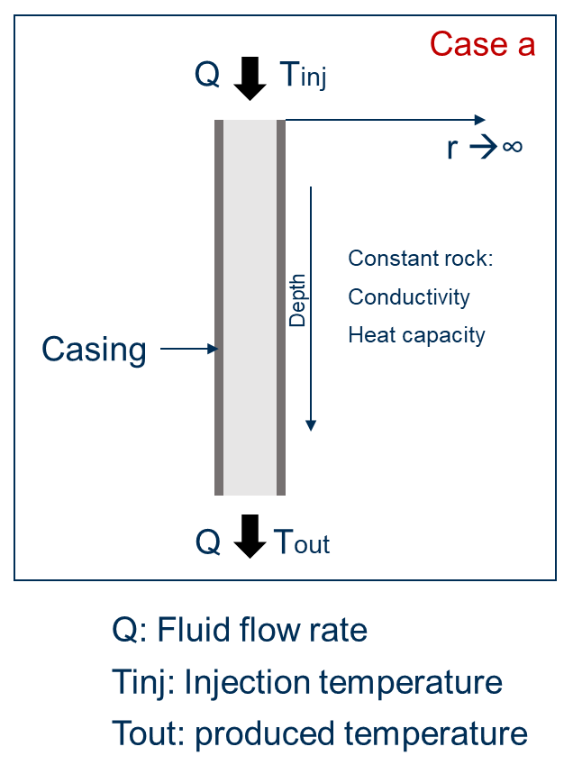
Analytical solution available
* Input data from 'Ramey J. Welbore Heat Transmission. SPE-96-PA, 1962 '

Earth |  | Report
Rock thermal conductivity [W/m-K] | 2.423
Bulk Rock density [kg/m3] | 2600 | Reporting time [days] | To be reported
Rock specific heat capacity [J/kg-K] | 902.67 | 0 | Wellbore Temperature at reporting depths and time
Surface temperature [C] | 21.111 | 75 | Power production at reporting time
Thermal gradient [C/m] | 0.01513 | 365
 |  | 730
Wellbore Fluid |  | 1460
Type of fluid | Water | 2555
Compressibility [bar-1] | 0 | 3650
Heat capacity [J/kg-K] | 4196
Density[kg/m3] | 998.554 | Reporting depths [m]
Thermal conductivity [W/m-K] | 0.5867 | along the wellbore
Average viscosity [cP] | 1.1 | 0
Prandtl number 'Pr' [dimensionless] | 7.87 | 100
Film transfer coefficient 'h' |  | 200
from Dittus-Boelter equation |  | 300
 |  | 400
Re [dimensionless] | 63005 | 500
h [W/m2-K] | 1316 | 600
 |  | 700
Well Geometry |  | 800
Type of well | Totally Cased - Vertical | 900
Total depth [m] | 1828.8 | 1000
Casing internal diameter [m] | 0.1617 | 1100
Casing external diameter [m] | 0.1778 | 1200
Casing thermal conductivity [W/m-K] | 43.268 | 1300
 |  | 1400
Operational conditions |  | 1500
Injection temperature [C] | 14.72 | 1600
Fluid flow rate [m3/day] | 761.55 | 1700
 |  | 1828.80

Case b
Approximated analytical solution available

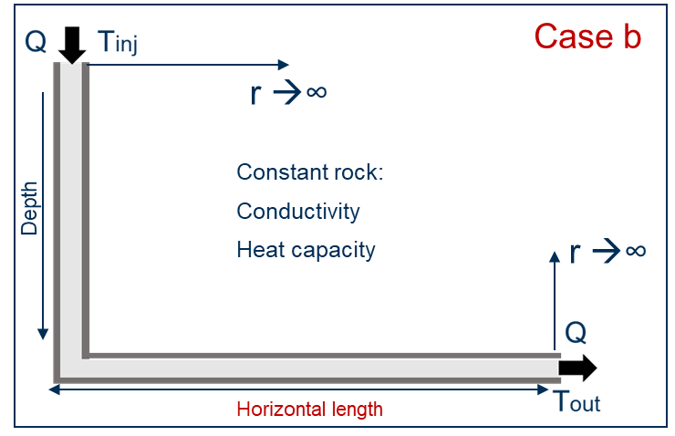

Earth |  | Report
Rock thermal conductivity [W/m-K] | 2.423
Bulk Rock density [kg/m3] | 2600 | Reporting time [days] | To be reported
Rock specific heat capacity [J/kg-K] | 902.67 | 0 | Wellbore Temperature at reporting depths and time
Surface temperature [C] | 11 | 180 | Power production at reporting time
Thermal gradient [C/m] | 0.0325 | 365
 |  | 730
Wellbore Fluid |  | 1460
Type of fluid | Water | 2555
Heel
Compressibility [bar-1] | 0 | 3650
Heat capacity [J/kg-K] | 4196
Simplification
Density[kg/m3] | 998.554 | Reporting depths [m]
Thermal conductivity [W/m-K] | 0.5867 | along the wellbore
To use the Ramey's analytical solution,
the horizontal well is considered as
a vertical well.
Then, the thermal gradient (dT/dD) is not
longer constant along the well:
dT/dD <> 0 for Length ≤ Vertical length
dT/dD = 0 for Length > Vertical length
Average viscosity [cP] | 1.1 | 0
Prandtl number [dimensionless] | 7.87 | 250
Film transfer coefficient 'h' |  | 500
from Dittus-Boelter equation |  | 750
 |  | 1000
Re [dimensionless] | 63005 | 1250
h [W/m2-K] | 1316 | 1500
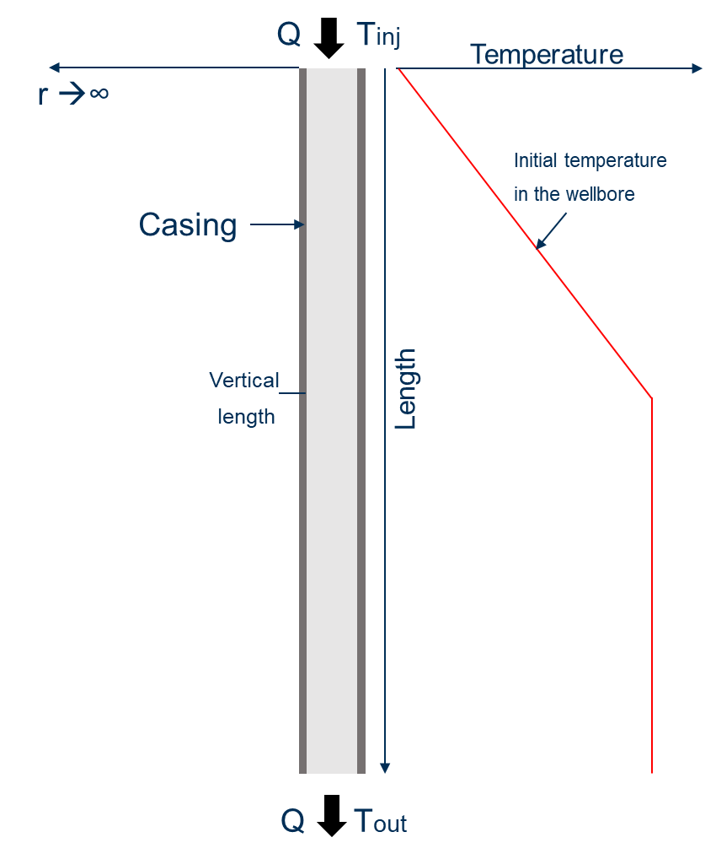
 |  | 1750
Well Geometry |  | 2000
Type of well | Totally Cased - Horizontal | 2250
Vertical length [m] | 3000 | 2500
Horizontal length [m] | 3500 | 2750
Total length [m] | 6500 | 3000
Casing internal diameter [m] | 0.1617 | 3250
Casing external diameter [m] | 0.1778 | 3500
Casing thermal conductivity [W/m-K] | 43.268 | 3750
 |  | 4000
Operational conditions |  | 4250
Injection temperature [C] | 45.00 | 4500
Fluid flow rate [m3/day] | 761.55 | 4750
 |  | 5000
 |  | 5250
 |  | 5500
 |  | 5750
 |  | 6000
 |  | 6250
 |  | 6500

Considerations:
This solution do not take into account heat flow interference in the rock at the heel (corner) of the horizontal well.
Gravity effects are neglected.

Case c
Hot water injection
Layered formations
Analytical solution available
* Input data from 'Yu-Shu W. Pruess K. An analytical solution for wellbore heat transmission in layered formations. SPE-17497-PA, 1990 '

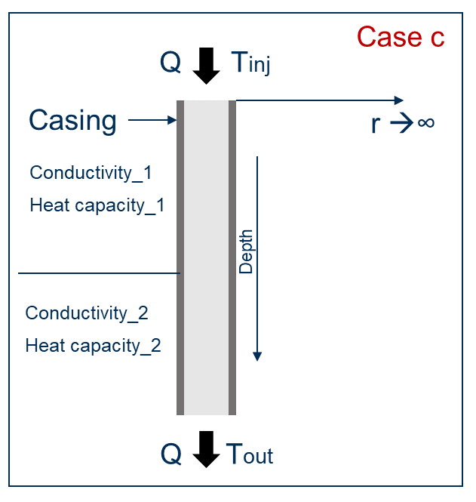
Earth |  | Report
Rock thermal conductivity_1 [W/m-K] | 2.8
Bulk Rock density_1 [kg/m3] | 2200 | Reporting time [days] | To be reported
Rock specific heat capacity_1 [J/kg-K] | 740 | 0 | Wellbore Temperature at reporting depths and time
Top of second layer [m] | 500 | 120 | Power production at reporting time
Rock thermal conductivity_2 [W/m-K] | 1.4 | 365
Bulk Rock density_2 [kg/m3] | 1500 | 730
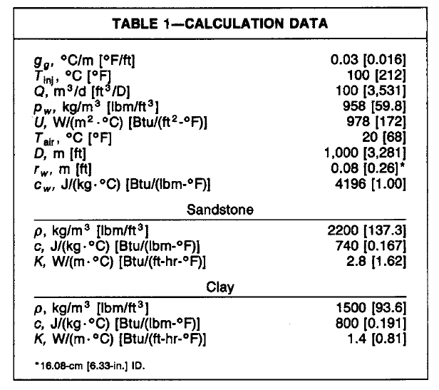
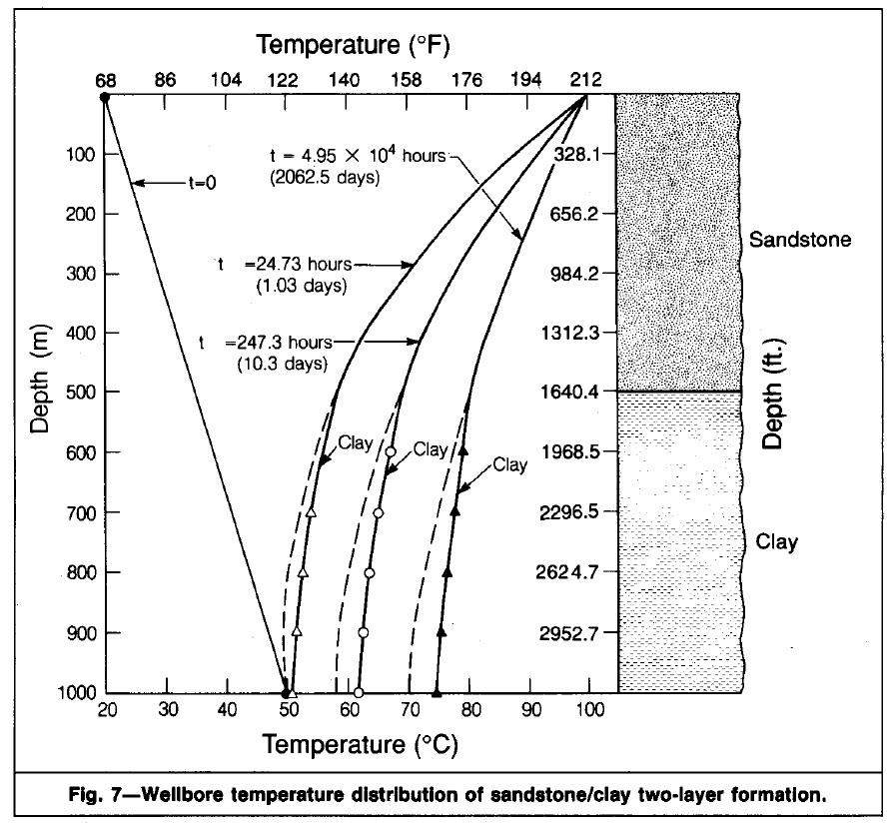
Rock specific heat capacity_2 [J/kg-K] | 800 | 1460
Top second layer
Surface temperature [C] | 20 | 2062.5
Top second layer
Thermal gradient [C/m] | 0.03 | 3650

Wellbore Fluid |  | Reporting depths [m]
Type of fluid | Water | along the wellbore
Compressibility [bar-1] | 0 | 0
Heat capacity [J/kg-K] | 4196 | 100
Density[kg/m3] | 958 | 200
U Overall heat transfer coeficcient [W/m2-K] | 978 | 300
h [W/m2-K] | 1181.8942591 | 400
Considerations:
Vertical heat conduction is ignored
Well Geometry |  | 500
Type of well | Open hole - Vertical | 600
Total depth [m] | 1000 | 700
Wellbore diameter [m] | 0.1600 | 800
Casing internal diameter [m] | 0.1439 | 900
Casing thermal conductivity [W/m-K] | 43.268 | 1000

Operational conditions
Injection temperature [C] | 100.00
Fluid flow rate [m3/day] | 100.00
Absolute Injection pressure [bar] | 2

Case d
Approximated analytical solution available

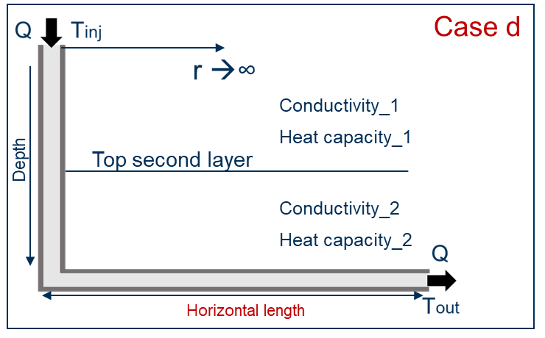
Earth |  | Field units | Report
Rock thermal conductivity_1 [W/m-K] | 2.423 | 1.40
Bulk Rock density_1 [kg/m3] | 2600 | 162.24 | Reporting time [days] | To be reported
Rock specific heat capacity_1 [J/kg-K] | 902.67 | 0.22 | 0 | Wellbore Temperature at reporting depths and time
Top of second layer [m] | 2900 | 9514.44 | 180 | Power production at reporting time
Rock thermal conductivity_2 [W/m-K] | 5.3 | 3.07 | 365
Bulk Rock density_2 [kg/m3] | 3000 | 187.20 | 730
Rock specific heat capacity_2 [J/kg-K] | 534.9328 | 0.13 | 1460
Surface temperature [C] | 20 |  | 2555
Thermal gradient [C/m] | 0.03 |  | 3650
Simplification
Wellbore Fluid |  |  | Reporting depths [m]
Type of fluid | Water |  | along the wellbore
Compressibility [bar-1] | 0 |  | 0
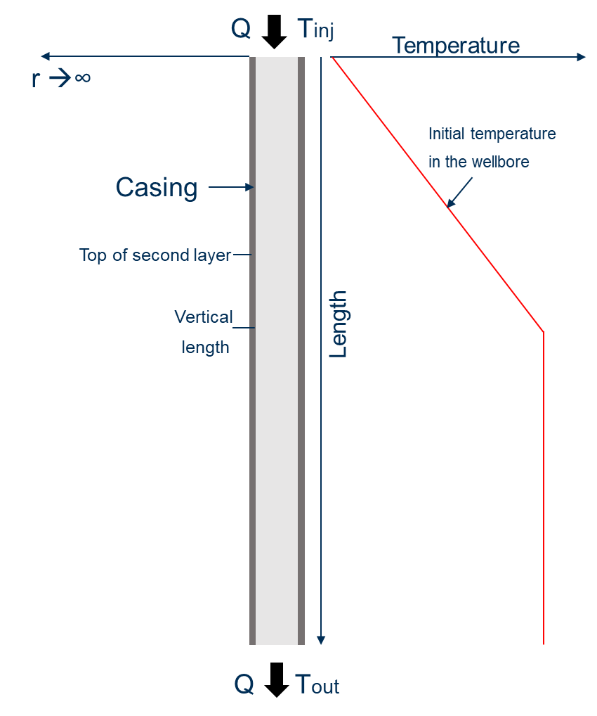
Heat capacity [J/kg-K] | 4196 |  | 250
Density[kg/m3] | 998.554 |  | 500
U Overall heat transfer coeficcient [W/m2-K] | 978 |  | 750
 |  |  | 1000
Well Geometry |  |  | 1250
Type of well | Totally Cased - Horizontal |  | 1500
Vertical length [m] | 3000 |  | 1750
Horizontal length [m] | 3500 |  | 2000
Total length [m] | 6500 |  | 2250
Casing internal diameter [m] | 0.1617 |  | 2500
Casing external diameter [m] | 0.1778 |  | 2750
Casing thermal conductivity [W/m-K] | 43.268 |  | 3000
 |  |  | 3250
 |  |  | 3500
 |  |  | 3750
Operational conditions |  |  | 4000
Injection temperature [C] | 45.00 |  | 4250
Fluid flow rate [m3/day] | 761.55 |  | 4500
Absolute Injection pressure [bar] | 2 |  | 4750
 |  |  | 5000
 |  |  | 5250
 |  |  | 5500
 |  |  | 5750
 |  |  | 6000
 |  |  | 6250
 |  |  | 6500

case e
Analytical solution available
* Input data from 'Ramey J. Welbore Heat Transmission. SPE-96-PA, 1962 '
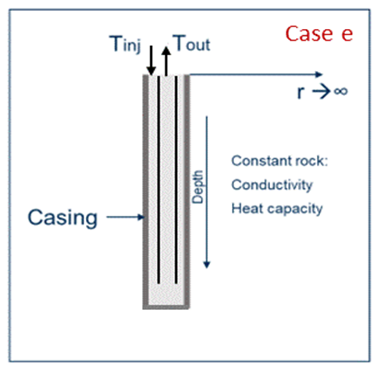
Earth |  | Report
Rock thermal conductivity [W/m-K] | 2.423
Bulk Rock density [kg/m3] | 2600 | Reporting time [days] | To be reported
Rock specific heat capacity [J/kg-K] | 902.67 | 0 | Wellbore Temperature at reporting depths and time
Surface temperature [C] | 21.111 | 75 | Power production at reporting time
Thermal gradient [C/m] | 0.01513 | 365
 |  | 730
Wellbore Fluid |  | 1460
Type of fluid | Water | 2555
Compressibility [bar-1] | 0 | 3650
Heat capacity [J/kg-K] | 4196
Density[kg/m3] | 998.554 | Reporting depths [m]
Thermal conductivity [W/m-K] | 0.5867 | along the wellbore
Average viscosity [cP] | 1.1 | 0
Prandtl number 'Pr' [dimensionless] | 7.87 | 100
Film transfer coefficient 'h' |  | 200
from Dittus-Boelter equation |  | 300
 |  | 400
Re [dimensionless] | 63005 | 500
h [W/m2-K] | 1316 | 600
 |  | 700
Well Geometry |  | 800
Type of well | Totally Cased - Vertical | 900
Total depth [m] | 1828.8 | 1000
Casing internal diameter [m] | 0.1617 | 1100
Casing external diameter [m] | 0.1778 | 1200
Casing thermal conductivity [W/m-K] | 43.268 | 1300
Inner tube inner diameter [m] | 0.05 | 1400
Inner tube outer diameter [m] | 0.08 | 1500
Inner tube thermal conductivity [W/m-K] | 0.1 | 1600
 |  | 1700
Operational conditions |  | 1828.80
Injection temperature [C] | 14.72
Fluid flow rate [m3/day] | 761.55

case f
Approximated analytical solution available
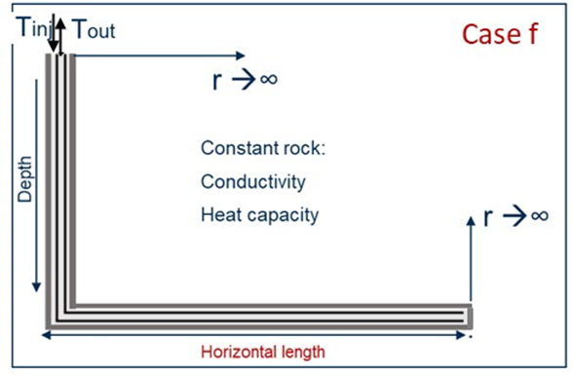

Earth |  | Report
Rock thermal conductivity [W/m-K] | 2.423
Bulk Rock density [kg/m3] | 2600 | Reporting time [days] | To be reported
Rock specific heat capacity [J/kg-K] | 902.67 | 0 | Wellbore Temperature at reporting depths and time
Surface temperature [C] | 11 | 180 | Power production at reporting time
Thermal gradient [C/m] | 0.0325 | 365
 |  | 730
Wellbore Fluid |  | 1460
Type of fluid | Water | 2555
Compressibility [bar-1] | 0 | 3650
Heat capacity [J/kg-K] | 4196
Simplification
Density[kg/m3] | 998.554 | Reporting depths [m]
Thermal conductivity [W/m-K] | 0.5867 | along the wellbore
To use the Ramey's analytical solution,
the horizontal well is considered as
a vertical well.
Then, the thermal gradient (dT/dD) is not
longer constant along the well:
dT/dD <> 0 for Length ≤ Vertical length
dT/dD = 0 for Length > Vertical length
Average viscosity [cP] | 1.1 | 0
Prandtl number [dimensionless] | 7.87 | 250
Film transfer coefficient 'h' |  | 500
from Dittus-Boelter equation |  | 750
 |  | 1000
Re [dimensionless] | 63005 | 1250
h [W/m2-K] | 1316 | 1500
 |  | 1750
Well Geometry |  | 2000
Type of well | Totally Cased - Horizontal | 2250
Vertical length [m] | 3000 | 2500
Horizontal length [m] | 3500 | 2750
Total length [m] | 6500 | 3000
Casing internal diameter [m] | 0.1617 | 3250
Casing external diameter [m] | 0.1778 | 3500
Casing thermal conductivity [W/m-K] | 43.268 | 3750
Inner tube inner diameter [m] | 0.05 | 4000
Inner tube outer diameter [m] | 0.08 | 4250
Inner tube thermal conductivity [W/m-K] | 0.1 | 4500
 |  | 4750
Operational conditions |  | 5000
Injection temperature [C] | 45.00 | 5250
Fluid flow rate [m3/day] | 761.55 | 5500
 |  | 5750
 |  | 6000
 |  | 6250
 |  | 6500

Considerations:
This solution do not take into account heat flow interference in the rock at the heel (corner) of the horizontal well.
Gravity effects are neglected.

Case g
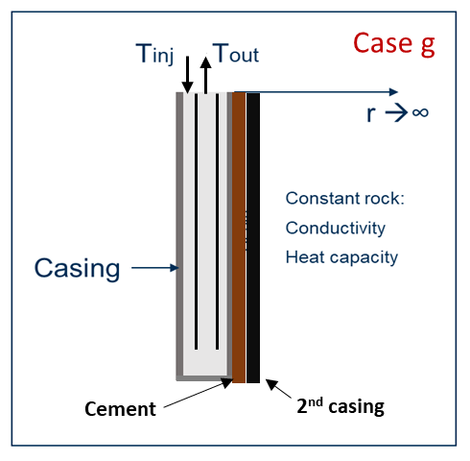
Analytical solution available
* Input data from 'Ramey J. Welbore Heat Transmission. SPE-96-PA, 1962 '

Earth |  |  | Report
Rock thermal conductivity [W/m-K] | 2.423
Bulk Rock density [kg/m3] | 2600 |  | Reporting time [days] | To be reported
Rock specific heat capacity [J/kg-K] | 902.67 |  | 0 | Wellbore Temperature at reporting depths and time
Surface temperature [C] | 21.111 |  | 75 | Power production at reporting time
Thermal gradient [C/m] | 0.01513 |  | 365
 |  |  | 730
Wellbore Fluid |  |  | 1460
Type of fluid | Water |  | 2555
Compressibility [bar-1] | 0 |  | 3650
Heat capacity [J/kg-K] | 4196
Density[kg/m3] | 998.554 |  | Reporting depths [m]
Thermal conductivity [W/m-K] | 0.5867 |  | along the wellbore
Average viscosity [cP] | 1.1 |  | 0
Prandtl number 'Pr' [dimensionless] | 7.87 |  | 100
Film transfer coefficient 'h' |  |  | 200
from Dittus-Boelter equation |  |  | 300
 |  |  | 400
Re [dimensionless] | 63005 |  | 500
h [W/m2-K] | 1316 |  | 600
 |  |  | 700
Well Geometry |  |  | 800
Type of well | Totally Cased - Vertical |  | 900
Total depth [m] | 1828.8 |  | 1000
Casing internal diameter [m] | 0.1617 |  | 1100
Casing external diameter [m] | 0.1778 | 0.0161 | 1200
Casing thermal conductivity [W/m-K] | 43.268 | 0.0080518 | 1300
Cement thickness (m) | 0.04 | 40 | 1400
Cement length (m) | 1828.8 |  | 1500
Cement thermal conductivity [W/m-K] | 2.476 |  | 1600
Casing thickness (m) | 0.007 | 7 | 1700
Casing length (m) | 1828.8 |  | 1828.80
Cement thermal conductivity [W/m-K] | 43.268

Operational conditions
Injection temperature [C] | 14.72
Fluid flow rate [m3/day] | 761.55

Case h
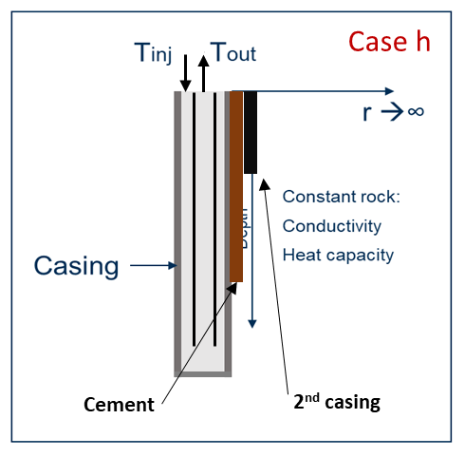
Analytical solution available
* Input data from 'Ramey J. Welbore Heat Transmission. SPE-96-PA, 1962 '

Earth |  | Report
Rock thermal conductivity [W/m-K] | 2.423
Bulk Rock density [kg/m3] | 2600 | Reporting time [days] | To be reported
Rock specific heat capacity [J/kg-K] | 902.67 | 0 | Wellbore Temperature at reporting depths and time
Surface temperature [C] | 21.111 | 75 | Power production at reporting time
Thermal gradient [C/m] | 0.01513 | 365
 |  | 730
Wellbore Fluid |  | 1460
Type of fluid | Water | 2555
Compressibility [bar-1] | 0 | 3650
Heat capacity [J/kg-K] | 4196
Density[kg/m3] | 998.554 | Reporting depths [m]
Thermal conductivity [W/m-K] | 0.5867 | along the wellbore
Average viscosity [cP] | 1.1 | 0
Prandtl number 'Pr' [dimensionless] | 7.87 | 100
Film transfer coefficient 'h' |  | 200
from Dittus-Boelter equation |  | 300
 |  | 400
Re [dimensionless] | 63005 | 500
h [W/m2-K] | 1316 | 600
 |  | 700
Well Geometry |  | 800
Type of well | Totally Cased - Vertical | 900
Total depth [m] | 1828.8 | 1000
Casing internal diameter [m] | 0.1617 | 1100
Casing external diameter [m] | 0.1778 | 1200
Casing thermal conductivity [W/m-K] | 43.268 | 1300
Cement thickness (m) | 0.04 | 1400
Cement length (m) | 1000 | 1500
Cement thermal conductivity [W/m-K] | 2.476 | 1600
Casing thickness (m) | 0.007 | 1700
Casing length (m) | 500 | 1828.80
Cement thermal conductivity [W/m-K] | 43.268

Operational conditions
Injection temperature [C] | 14.72
Fluid flow rate [m3/day] | 761.55

